Project Structure
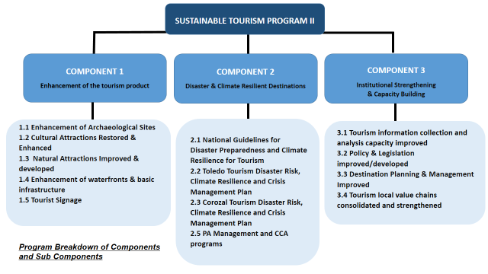
Procurement Plan for May 2017 through November 2018
Agency | Sub-Agency (If applies) | Agency's Initials
Ministry of Tourism and Civil Aviation

COMPONENTS? (YES / NO) | Component's Name (list by number or letter)
YES | Component I: Enhancement of the Tourism Product
 | Component II: Promoting Disaster and Climate Resilient Destinations
 | Component III: Institutional Strengthening and Capacity Building
 | Management
 | Contingency

